Phospholipids_Exp
Data from: Rivera Vazquez J, Trujillo E, Williams J, et al. Lipid membrane remodeling and metabolic response during isobutanol and ethanol exposure in Zymomonas mobilis. Biotechnol Biofuels Bioprod. 2024;17(1):14. Published 2024 Jan 28. doi:10.1186/s13068-023-02450-9

**RBA reports coefficients in g/gDW
**GSM reports coefficients in mmol/gDW

Biomass Eqn from iZM478 | 0.0549 CARBO_ZM_c + 0.0297 DNA_ZM_c + 0.0769 LIPID_ZM_c + 0.0275 PEPTIDO_ZM_c + 0.527 PROTEIN_ZM_c + 0.242 RNA_ZM_c + 0.0428 SM_MOLECULE_ZM_c + 75.368454365963 atp_c + 75.368454365963 h2o_c --> 75.368454365963 adp_c + 75.368454365963 h_c + 75.368454365963 pi_c

Old Phospholipid Eqn iZM478 | 0.053 clpn_ZM_c + 0.777 pe_ZM_c + 0.377 pg_ZM_c + 0.092 ps_ZM_c --> Phospholipids_ZM_c
New Phospholipid Eqn iZM490 | 0.019 clpn_ZM_c + 0.794 pe_ZM_c + 0.313 pg_ZM_c + 0.201 pc_c --> Phospholipids_ZM_c
 |  |  |  |  |  |  |  |  |  |  |  |  | Table S4. Lipid composition of Z. mobilis (basal conditions) |  |  |  | Table S3. Fatty acid composition of Z. mobilis (basal conditions)
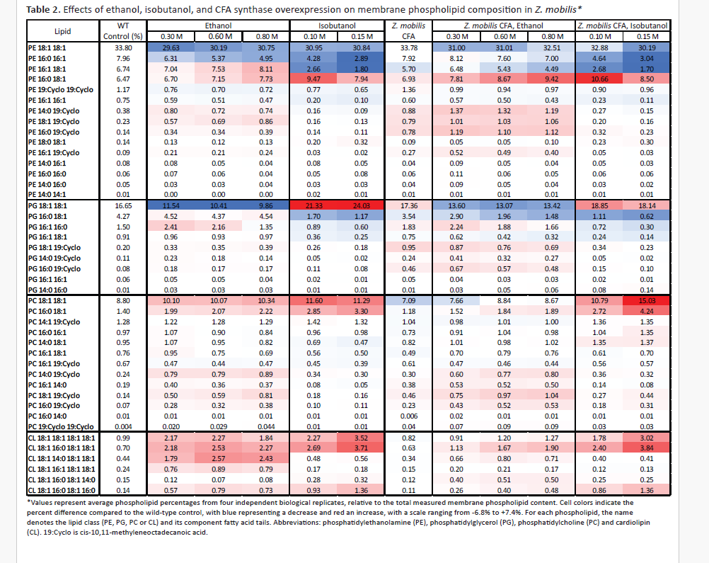
 |  |  |  |  |  |  |  |  |  |  |  |  | Identification* | mg / g cell DW | % | S.D. | Fatty Acid | Milligrams per Gram of Cell Dry Weight | Percentage | Standard Deviation
MET-pe_c --> 0.731502 BIO-pe_c |  |  |  |  |  |  |  |  |  |  |  |  | PE 18:1 18:1 | 15.60 | 33.80 | 0.50 | 16:01:00 | 0.48 | 2.08 | 0.16
MET-pg_ZM_c --> 0.75986 BIO-pg_ZM_c |  |  |  |  |  |  |  |  |  |  |  |  | PE 16:0 16:1 | 3.67 | 7.96 | 0.31 | 14:01:00 | 0.062 | 0.27 | 0.03
MET-pc_c --> 0.77014 BIO-pc_c |  |  |  |  |  |  |  |  |  |  |  |  | PE 16:1 18:1 | 3.11 | 6.74 | 0.13 | 18:01:00 | 18.28 | 79.58 | 2.47
MET-clpn_ZM_c --> 1.430726 BIO-clpn_ZM_c |  |  |  |  |  |  |  |  |  |  |  |  | PE 16:0 18:1 | 2.99 | 6.47 | 0.21 | 19:Cyclo | 0.36 | 1.57 | 0.12
 |  |  |  |  |  |  |  |  |  |  |  |  | PE 19:Cyclo 19:Cyclo | 0.54 | 1.17 | 0.18 | 14:00:00 | 1.16 | 5.05 | 0.43
 |  |  |  |  |  |  |  |  |  |  |  |  | PE 16:1 16:1 | 0.35 | 0.75 | 0.03 | 16:00:00 | 2.63 | 11.45 | 2.44
 |  |  |  |  |  |  |  |  |  |  |  |  | PE 14:0 19:Cyclo | 0.17 | 0.38 | 0.01 |  | 22.972
 |  |  |  |  |  |  | *Calculation of avg molecular wt calculated below line 105* |  |  |  |  |  | PE 18:1 19:Cyclo | 0.11 | 0.23 | 0.05
 |  |  |  |  |  |  |  |  |  |  |  |  | PE 16:0 19:Cyclo | 0.065 | 0.14 | 0.01
 |  |  |  |  |  |  |  |  |  |  |  |  | PE 18:0 18:1 | 0.064 | 0.14 | 0.01
 |  |  |  |  |  |  |  |  |  |  |  |  | PE 16:1 19:Cyclo | 0.039 | 0.09 | 0.005
 |  |  |  |  |  |  |  |  |  |  |  |  | PE 14:0 16:1 | 0.038 | 0.08 | 0.004
Lipid |  | mg/gDW | g/gDW | g/g phospholipid | % wt in phospholipid | % wt in biomass | MW (g/mol) | Coefficient GSM (mmol/gDW) |  |  |  |  | PE 16:0 16:0 | 0.025 | 0.06 | 0.001
PE |  | 26.79 | 0.026788522059 | 0.58060525429 | 58.060525429 | 2.6788522059 | 731.5021315 | 0.79371642171 |  |  |  |  | PE 14:0 16:0 | 0.022 | 0.05 | 0.002
PG |  | 10.98 | 0.010979992734 | 0.2379766028 | 23.79766028 | 1.0979992734 | 759.86010436 | 0.31318475788 |  |  |  |  | PE 14:0 14:1 | 0.0038 | 0.01 | 0.0004
PC |  | 7.14 | 0.0071449094318 | 0.1548563205 | 15.48563205 | 0.71449094318 | 770.13984841 | 0.20107558493 |  |  |  |  | PG 18:1 18:1 | 7.68 | 16.65 | 0.21
CL |  | 1.23 | 0.0012255348369 | 0.026561822412 | 2.6561822412 | 0.12255348369 | 1430.7255303 | 0.018565281634 |  |  |  |  | PG 16:0 18:1 | 1.97 | 4.27 | 0.17
 |  |  |  |  |  | 4.6138959062 |  |  |  |  |  |  | PG 16:1 16:0 | 0.69 | 1.50 | 0.03
 |  | Total Phospholipid Content (g/gDW) | 0.046138959062 |  |  |  |  |  |  |  |  |  | PG 16:1 18:1 | 0.42 | 0.91 | 0.03
 |  | % phospholipid wt in total biomass (assuming 1 g/gDW) | 4.6138959062 |  |  |  |  |  |  |  |  |  | PG 18:1 19:Cyclo | 0.092 | 0.20 | 0.01
 |  |  |  |  |  |  |  |  |  |  |  |  | PG 14:0 19:Cyclo | 0.049 | 0.11 | 0.004
 |  |  |  |  |  |  |  |  |  |  |  |  | PG 16:0 19:Cyclo | 0.036 | 0.08 | 0.001
phospholipid |  | mmol/gDW | mol fraction |  |  |  |  |  |  |  |  |  | PG 16:1 16:1 | 0.030 | 0.06 | 0.003
PE |  | 0.036621249488 | 0.59833491446 |  |  |  |  |  |  |  |  |  | PG 14:0 16:0 | 0.0061 | 0.01 | 0.001
PG |  | 0.014450018722 | 0.2360910902 |  |  |  |  |  |  |  |  |  | PC 18:1 18:1 | 4.06 | 8.80 | 0.31
PC |  | 0.0092774181813 | 0.15157874981 |  |  |  |  |  |  |  |  |  | PC 16:0 18:1 | 0.65 | 1.40 | 0.07
CL |  | 0.00085658276929 | 0.013995245524 |  |  |  |  |  |  |  |  |  | PC 14:1 19:Cyclo | 0.59 | 1.28 | 0.04
 |  |  |  |  |  |  |  |  |  |  |  |  | PC 16:0 16:1 | 0.45 | 0.97 | 0.04
 |  |  |  |  |  |  |  |  |  |  |  |  | PC 14:0 18:1 | 0.44 | 0.95 | 0.03
 |  |  |  |  |  |  |  |  |  |  |  |  | PC 16:1 18:1 | 0.35 | 0.76 | 0.02
 |  |  |  |  |  |  |  |  |  |  |  |  | PC 16:1 19:Cyclo | 0.31 | 0.67 | 0.01
 |  |  |  |  |  |  |  |  |  |  |  |  | PC 14:0 19:Cyclo | 0.11 | 0.24 | 0.01
 |  |  |  |  |  |  |  |  |  |  |  |  | PC 16:1 14:0 | 0.088 | 0.19 | 0.004
 |  |  |  |  |  |  |  |  |  |  |  |  | PC 18:1 19:Cyclo | 0.065 | 0.14 | 0.002
 |  |  |  |  |  |  |  |  |  |  |  |  | PC 16:0 19:Cyclo | 0.033 | 0.07 | 0.002
 |  |  |  |  |  |  |  |  |  |  |  |  | PC 16:0 14:0 | 0.0032 | 0.01 | 0.0002
 |  |  |  |  |  |  |  |  |  |  |  |  | PC 19:Cyclo 19:Cyclo | 0.0017 | 0.004 | 0.0001
 |  |  |  |  |  |  |  |  |  |  |  |  | CL 18:1 18:1 18:1 18:1 | 0.46 | 0.99 | 0.08
 |  |  |  |  |  | Less accurate way calculating average molecular weight of each phospholipid |  |  |  |  |  |  | CL 18:1 16:0 18:1 18:1 | 0.32 | 0.70 | 0.05
 |  |  |  |  |  | Way typically done since most papers only report % comp of PE, PG, PC, CL and then just % comp of free Fas |  |  |  |  |  |  | CL 18:1 14:0 18:1 18:1 | 0.20 | 0.44 | 0.03
 |  |  |  |  |  |  |  |  |  |  |  |  | CL 18:1 16:1 18:1 18:1 | 0.11 | 0.24 | 0.01
Lipid |  | Formula | MW |  |  |  |  |  |  |  |  |  | CL 18:1 16:0 18:1 14:0 | 0.067 | 0.15 | 0.01
PE: phosphatidylethanolamine |  | C5H12NO6P acyl2 | 731.688538 |  |  |  |  |  |  |  |  |  | CL 18:1 16:0 18:1 16:0 | 0.064 | 0.14 | 0.01
PG: phosphatidylglycerol |  | C6H12O8P acyl 2 | 761.688938 |  |  |  |  |  |  |  |  |  | *PE: Phosphatidylethanolamine, PG: Phosphatidylglycerol, PC: Phosphatidylcholine, CL: Cardiolipin
PC: phosphatidylcholine |  | C8H18NO6P acyl 2 | 773.766938
CL: cardiolipin |  | C9H16O13P2 acyl 4 | 1432.003876

 |  |  |  |  |  |  |  |  |  |  |  |  |  | 46.14
FA (free) |  | Formula (free) | MW (acyl: minus one O and H) | % FA comp (table 1 julio's paper) | Weight Contribution of each FA
16:1: palmitoleic acid |  | C16H30O2 | 237.45 | 0.0208 | 4.93896
14:1: myristoleic acid |  | C16H32O2 | 209.39 | 0.0027 | 0.565353
18:1: vaccenic acid |  | C18H34O2 | 265.51 | 0.7958 | 211.292858
19:Cyclo: cis-11,12-methyleneoctadecanoic acid |  | C19H36O2 | 279.54 | 0.0157 | 4.388778
14:0: myristic acid |  | C14H28O2 | 211.41 | 0.0505 | 10.676205
16:0: palmitic acid |  | C16H32O2 | 239.47 | 0.1145 | 27.419315
 |  |  |  | average acyl group MW | 259.281469

Julio's Lipid Paper
Table S3. Fatty acid composition of Z. mobilis (basal conditions)
Fatty Acid |  | Milligrams per Gram of Cell Dry Weight | Percentage | Standard Deviation
16:1 |  | 0.48 | 2.08 | 0.16
14:1 |  | 0.062 | 0.27 | 0.03
18:1 |  | 18.28 | 79.58 | 2.47
19:Cyclo |  | 0.36 | 1.57 | 0.12
14:0 |  | 1.16 | 5.05 | 0.43
16:0 |  | 2.63 | 11.45 | 2.44

Total FA Content (g/gDW) |  | 0.022967951915

 |  | C | H | N | O | P |  |  |  | C | H | N | O | P
MW |  | 12.01 | 1.01 | 14.01 | 16 | 30.97 | MW |  | MW | 12.01 | 1.01 | 14.01 | 16 | 30.97 | MW
16:1: palmitoleic acid (acyl) |  | 16 | 29 | 0 | 1 | 0 | 237.45 |  | 16:1: palmitoleic acid | 16 | 30 | 0 | 2 | 0 | 254.46
14:1: myristoleic acid (acyl) |  | 14 | 25 | 0 | 1 | 0 | 209.39 |  | 14:1: myristoleic acid | 14 | 26 | 0 | 2 | 0 | 226.4
18:1: vaccenic acid (acyl) |  | 18 | 33 | 0 | 1 | 0 | 265.51 |  | 18:1: vaccenic acid | 18 | 34 | 0 | 2 | 0 | 282.52
19:Cyclo: cis-11,12-methyleneoctadecanoic acid (acyl) |  | 19 | 35 | 0 | 1 | 0 | 279.54 |  | 19:Cyclo: cis-11,12-methyleneoctadecanoic acid | 19 | 36 | 0 | 2 | 0 | 296.55
14:0: myristic acid (acyl) |  | 14 | 27 | 0 | 1 | 0 | 211.41 |  | 14:0: myristic acid | 14 | 28 | 0 | 2 | 0 | 228.42
16:0: palmitic acid (acyl) |  | 16 | 31 | 0 | 1 | 0 | 239.47 |  | 16:0: palmitic acid | 16 | 32 | 0 | 2 | 0 | 256.48
18:0: stearic acid (acyl) |  | 18 | 35 | 0 | 1 | 0 | 267.53 |  | 18:0: stearic acid | 18 | 36 | 0 | 2 | 0 | 284.54

PE: phosphatidylethanolamine (backbone) |  | 5 | 12 | 1 | 6 | 1 | 213.15
PG: phosphatidylglycerol (backbone) |  | 6 | 12 | 0 | 8 | 1 | 243.15
PC: phosphatidylcholine (backbone) |  | 8 | 19 | 1 | 6 | 1 | 256.25
CL: cardiolipin (backbone) |  | 9 | 16 | 0 | 13 | 2 | 394.19

Data from Table S4 Julio's lipid paper
Phospholipid | mg / g cell DW | MW | % | % MW |  |  | Since we have quantification of all the different phosppholipids and their FA composition most accurate way
PE 18:1 18:1 | 15.60 | 744.17 | 0.582172 | 433.23460258 |  | Average Phospholipid MW
PE 16:0 16:1 | 3.67 | 690.07 | 0.137029 | 94.559373008 | PE | 731.5021315
PE 16:1 18:1 | 3.11 | 716.11 | 0.116106 | 83.144759022 | PG | 759.86010436
PE 16:0 18:1 | 2.99 | 732.16 | 0.111450 | 81.598945101 | PC | 771.14984841
PE 19:Cyclo 19:Cyclo | 0.54 | 772.23 | 0.020228 | 15.620647739 | CL | 1430.7255303
PE 16:1 16:1 | 0.35 | 688.05 | 0.012987 | 8.9355850289
PE 14:0 19:Cyclo | 0.17 | 704.1 | 0.006491 | 4.5702257955
PE 18:1 19:Cyclo | 0.11 | 758.2 | 0.003928 | 2.9779209665
PE 16:0 19:Cyclo | 0.065 | 732.16 | 0.002414 | 1.7675554334
PE 18:0 18:1 | 0.064 | 746.19 | 0.002398 | 1.7895619754
PE 16:1 19:Cyclo | 0.039 | 730.14 | 0.001472 | 1.0747504127
PE 14:0 16:1 | 0.038 | 662.01 | 0.001427 | 0.94500521289
PE 16:0 16:0 | 0.025 | 692.09 | 0.000948 | 0.65580252604
PE 14:0 16:0 | 0.022 | 664.03 | 0.000809 | 0.53694268263
PE 14:0 14:1 | 0.0038 | 633.95 | 0.000143 | 0.090454018437
PG 18:1 18:1 | 7.68 | 774.17 | 0.699632 | 541.63395003
PG 16:0 18:1 | 1.97 | 718.13 | 0.179621 | 128.99137278
PG 16:1 16:0 | 0.69 | 720.07 | 0.063050 | 45.400447031
PG 16:1 18:1 | 0.42 | 760.14 | 0.038274 | 29.093530241
PG 18:1 19:Cyclo | 0.092 | 788.2 | 0.008414 | 6.632256479
PG 14:0 19:Cyclo | 0.049 | 734.1 | 0.004426 | 3.2490084219
PG 16:0 19:Cyclo | 0.036 | 762.16 | 0.003312 | 2.5242355547
PG 16:1 16:1 | 0.030 | 718.05 | 0.002717 | 1.9507494902
PG 14:0 16:0 | 0.0061 | 694.03 | 0.000554 | 0.3845543404
PC 18:1 18:1 | 4.06 | 787.27 | 0.568204 | 447.32960895
PC 16:0 18:1 | 0.65 | 761.23 | 0.090618 | 68.981271755
PC 14:1 19:Cyclo | 0.59 | 745.18 | 0.082866 | 61.749964505
PC 16:0 16:1 | 0.45 | 733.17 | 0.062442 | 45.780768775
PC 14:0 18:1 | 0.44 | 733.17 | 0.061498 | 45.088447377
PC 16:1 18:1 | 0.35 | 759.21 | 0.049062 | 37.248668547
PC 16:1 19:Cyclo | 0.31 | 773.24 | 0.043302 | 33.482820483
PC 14:0 19:Cyclo | 0.11 | 747.2 | 0.015378 | 11.490233639
PC 16:1 14:0 | 0.088 | 705.11 | 0.012284 | 8.6616821585
PC 18:1 19:Cyclo | 0.065 | 801.3 | 0.009033 | 7.2381087734
PC 16:0 19:Cyclo | 0.033 | 775.26 | 0.004638 | 3.595485772
PC 16:0 14:0 | 0.0032 | 707.13 | 0.000442 | 0.31225577387
PC 19:Cyclo 19:Cyclo | 0.0017 | 815.33 | 0.000234 | 0.19053189754
CL 18:1 18:1 18:1 18:1 | 0.46 | 1456.23 | 0.372553 | 542.5222633
CL 18:1 16:0 18:1 18:1 | 0.32 | 1430.19 | 0.264224 | 377.89070548
CL 18:1 14:0 18:1 18:1 | 0.20 | 1402.13 | 0.165918 | 232.63858004
CL 18:1 16:1 18:1 18:1 | 0.11 | 1428.17 | 0.090396 | 129.10144952
CL 18:1 16:0 18:1 14:0 | 0.067 | 1376.09 | 0.055010 | 75.698319687
CL 18:1 16:0 18:1 16:0 | 0.064 | 1404.15 | 0.051899 | 72.874212303

